QTY.
PROJECT : | COMPLETION OF BALANCE WORKS FOR BLDG. 4C & 4D
QUANTITY TAKE-OFF
S/N | DESCRIPTION | BLDG. NO. | FLOOR LEVEL | UNIT | AREA | NOS. | QTY. | Volume | Aproximate Tone | Rate | Amount | DWG. REF. | REMARKS
1 | 70mm Thick Crushed Natural Stone Mulch Size 20-30mm | 4C & 4D | ROOF LEVEL Need Good Quality | m2 | 87.18 | 2 | 174.36 | 12.21 | 21.97 |  | - | GI-BLD-CRCC-SHD-AR-00030-014 Rev.0 | 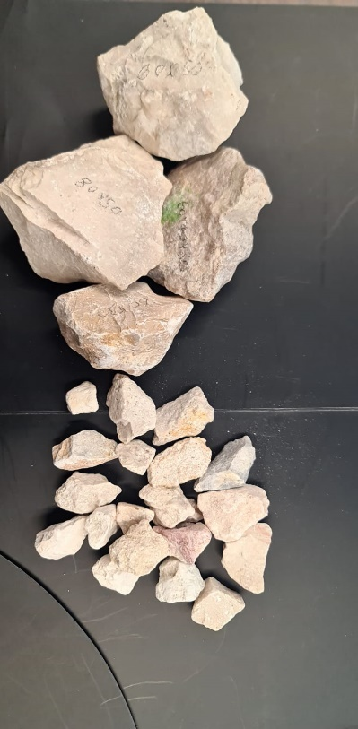
2 | 100mm Thick Crushed Natural Stone Mulch Size 80-30mm | 4C & 4D | UPPER ROOF LEVEL Standard quality | m2 | 161.93 | 2 | 323.86 | 32.39 | 58.29 |  | - | GI-BLD-CRCC-SHD-AR-00030-014 Rev.0 |  | 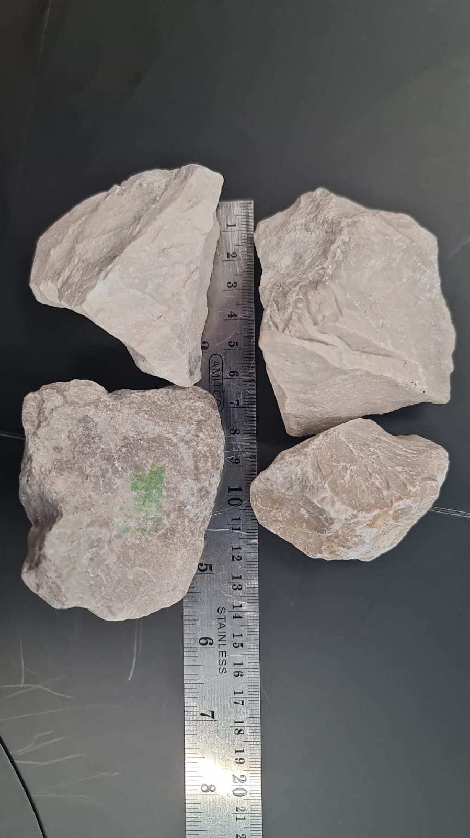
SUB-TOTAL |  |  |  |  | 249.11 |  | 498.22 |  | 80.26 |  | -

